ANEXO 5 Pruebas Diag. VECM
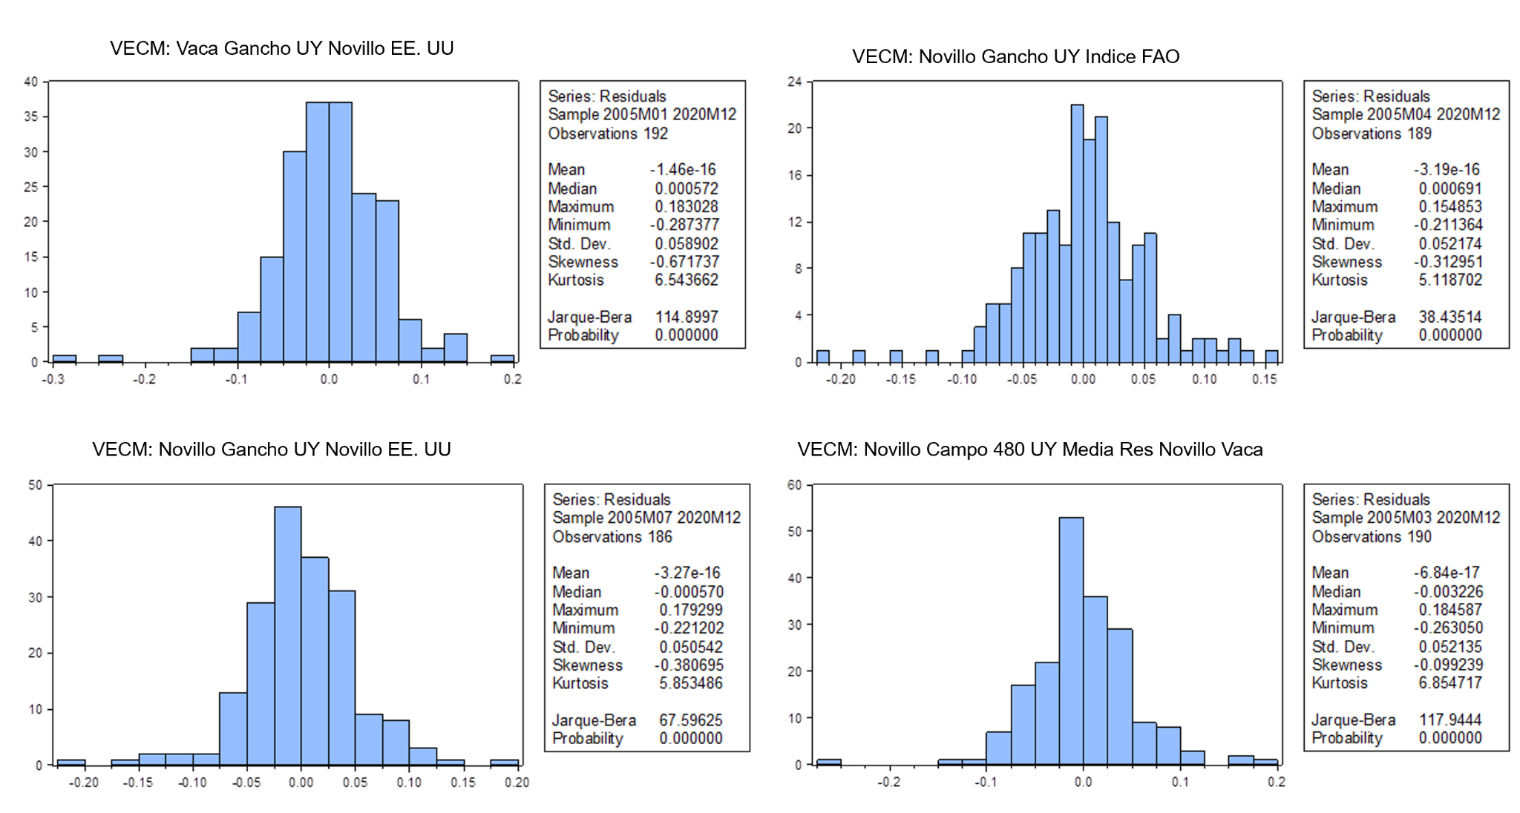

ANEXO 5. Pruebas Diagnósticas VECM
1. Normalidad de los Residuos: prueba de Jarque-Bera La prueba de Jarque-Bera es una prueba estadística para determinar si los datos de la muestra tienen la asimetría y la curtosis correspondientes a una distribución normal. Las hipótesis para la prueba de Jarque-Bera son: Hipótesis Nula (H₀): Los datos se distribuyen normalmente (es decir, la asimetría es cero y la curtosis excesiva es cero). Hipótesis Alternativa (H₁): Los datos no se distribuyen normalmente.
Fuente: Elaboración propia

